BugReport
Bug ID | BUG_03
Summary: | [Tabs] [Front End] When User clicks on a new tab it is not being opened and User is not redirected to new page
Description: | When User clicks on More Tab, the new tab is not being opened and User is not being redirected to new tab, but stays on the current tab

Steps to reproduce:
1 | Open Chrome browser
2 | Go to URL:https://demoqa.com/tabs
3 | Click on More Tab
Expected result: | More Tab is being opened and User is being redirected to URL of the More Tab
Actual result: | More Tab is not being opened and User is not being redirected to URL of the More Tab, but stays on the current URL address
Priority: | Medium
Severity: | Medium
Repro rate: | 100%
Environment: | Production
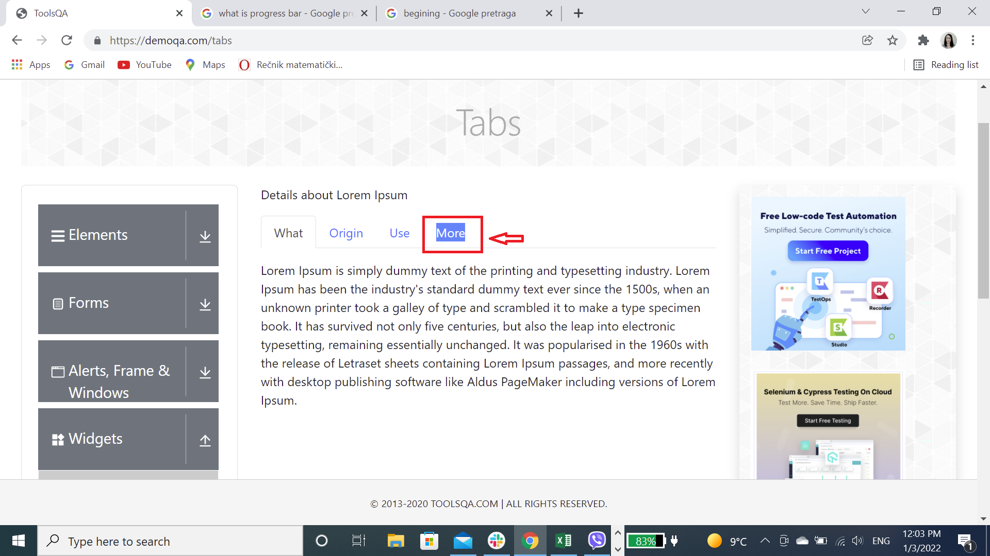
Screenshot:

